Scenario 1
Note: All numbers below are hypothetical for illustration purposes.

Scenario 1
When | Gross Revenue > EMA Resultant Rent and (Gross Revenue – EMA Resultant Rent) > 30% of Gross Revenue
Example: | $100K > $60K and $(100K - 60K) > 30% of $100K
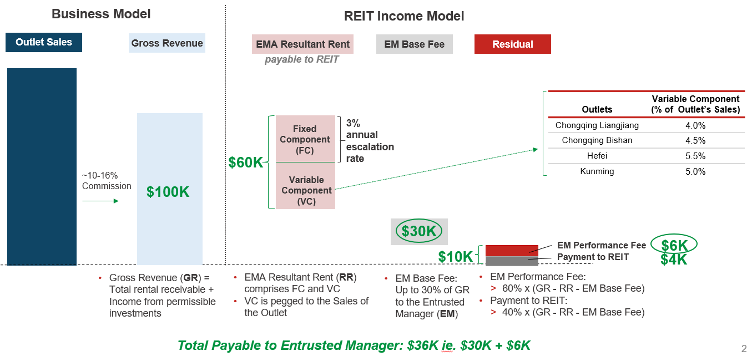

 | Gross Revenue (GR) | $100,000
 | EMA Resultant Rent (RR) | $60,000

 | GR - EMA RR | $40,000
 | EM Base Fee | $30,000 | That is, | LOWER of: 30% of GR or GR - EMA RR
 | EM Perfomance Fee | $6,000 | That is, | 60% of (GR - EMA RR - EM Base Fee)
 | Payment to Sasseur REIT | $4,000 | That is, | 40% of (GR - EMA RR - EM Base Fee)

 | Total Payable to Entrusted Manager |  |  |  | $36,000
 | Total EMA Rental Income Payable to Sasseur REIT |  |  |  | $64,000

Updated 26 May 2023

Scenario 2
Note: All numbers below are hypothetical for illustration purposes.

Scenario 2
When | Gross Revenue > EMA Resultant Rent and (Gross Revenue – EMA Resultant Rent) < 30% of Gross Revenue
Example: | $80K > $60K and $(80K - 60K) < 30% of $80K
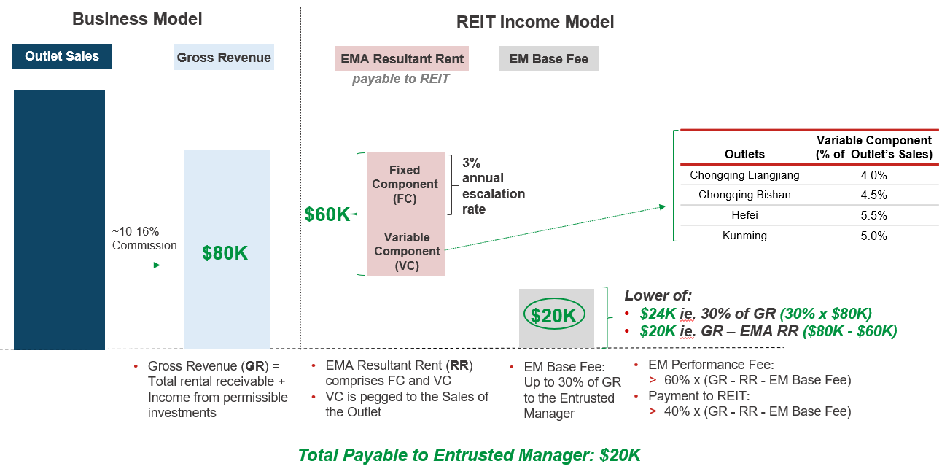

 | Gross Revenue (GR) | $80,000
 | EMA Resultant Rent (RR) | $60,000

 | GR - EMA RR | $20,000
 | EM Base Fee | $20,000 | That is, | LOWER of: 30% of GR or GR - EMA RR
 | EM Perfomance Fee | $0 | That is, | 60% of (GR - EMA RR - EM Base Fee)
 | Payment to Sasseur REIT | $0 | That is, | 40% of (GR - EMA RR - EM Base Fee)

 | Total Payable to Entrusted Manager |  |  |  | $20,000
 | Total EMA Rental Income Payable to Sasseur REIT |  |  |  | $60,000

Updated 26 May 2023

Scenario 3
Note: All numbers below are hypothetical for illustration purposes.

Scenario 3
When | Gross Revenue < EMA Resultant Rent
Example: | $20K < $60K
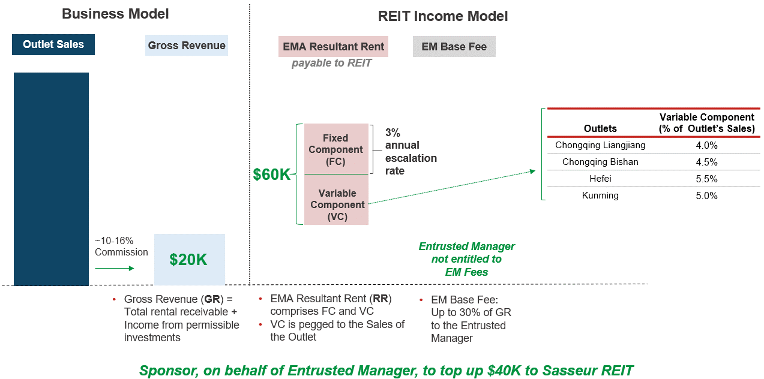

 | Gross Revenue (GR) | $20,000
 | EMA Resultant Rent (RR) | $60,000

 | GR - EMA RR | -$40,000
 | EM Base Fee | -$40,000 | That is, | LOWER of: 30% of GR or GR - EMA RR
 | EM Perfomance Fee | $0 | That is, | 60% of (GR - EMA RR - EM Base Fee)
 | Payment to Sasseur REIT | $0 | That is, | 40% of (GR - EMA RR - EM Base Fee)

 | Sponsor, on behalf of Entrusted Manager, to top up to Sasseur REIT |  |  |  | $40,000
 | Total EMA Rental Income Payable to Sasseur REIT |  |  |  | $60,000

Updated 26 May 2023

